FAI

Customer |  | PO # |  | Date Prepared | 02/06/2026 | First Article Report
Part Name | Long Couple Nut | Samples | 3 | Prepared by: | Meng
Part Number |  | Inch or mm | Inch | Revision | 1
FAI | Type (Diameter Length Position etc.) | Nominal | + Tolerance | - Tolerance | High Limit | Low Limit | Method | Customer Sample | Mfg. Sample 1 | Mfg. Sample 2
1 | Length | 9.000 |  |  | 9.000 | 9.000 | Caliper | 9.0000 | 9.1000 | 9.2000
2 | Diameter | 1.250 |  |  | 1.250 | 1.250 | Caliper | 1.2845 | 1.2600 | 1.2620

Print Page 1
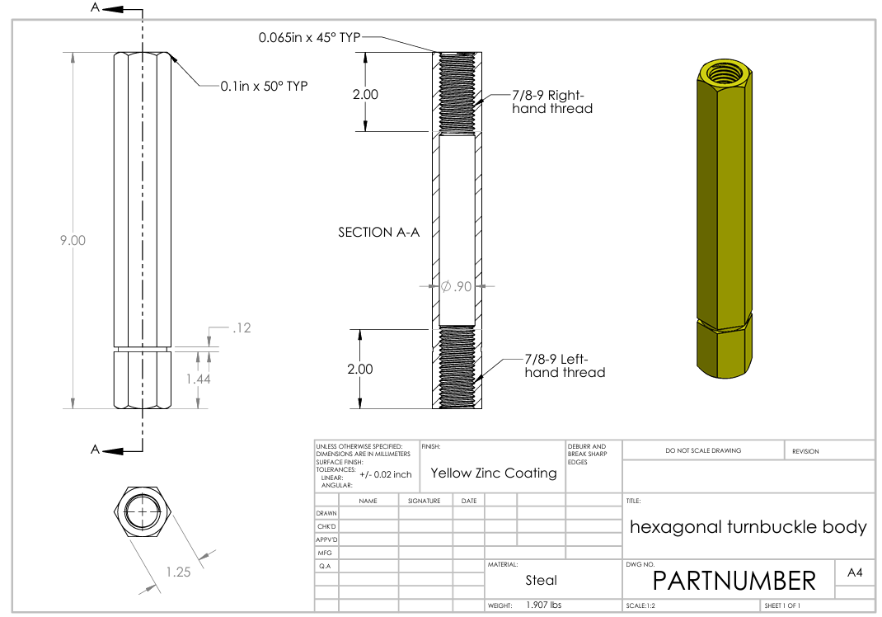

1

2

